Log-In
Project Name : | Health Plus



Test Case ID: | Log-In1 |  |  | Test Design by: | Nanda Aung
Test Priority: | Normal |  |  | Test Design Date: | 2017-11-28
Module Name: | Log in |  |  | Test Executed by:
Test Title: | Testing the log in page |  |  | Test Execution Date:
Description:

Pre-Conditions: | open the app
Dependencies:

Step | Test Steps | Test Data | Expected results | Actual results | Status | Notes
10 | Click Continue to Facebook |  | enable the user to log in with Facebook

Home
Project Name : | Health Plus

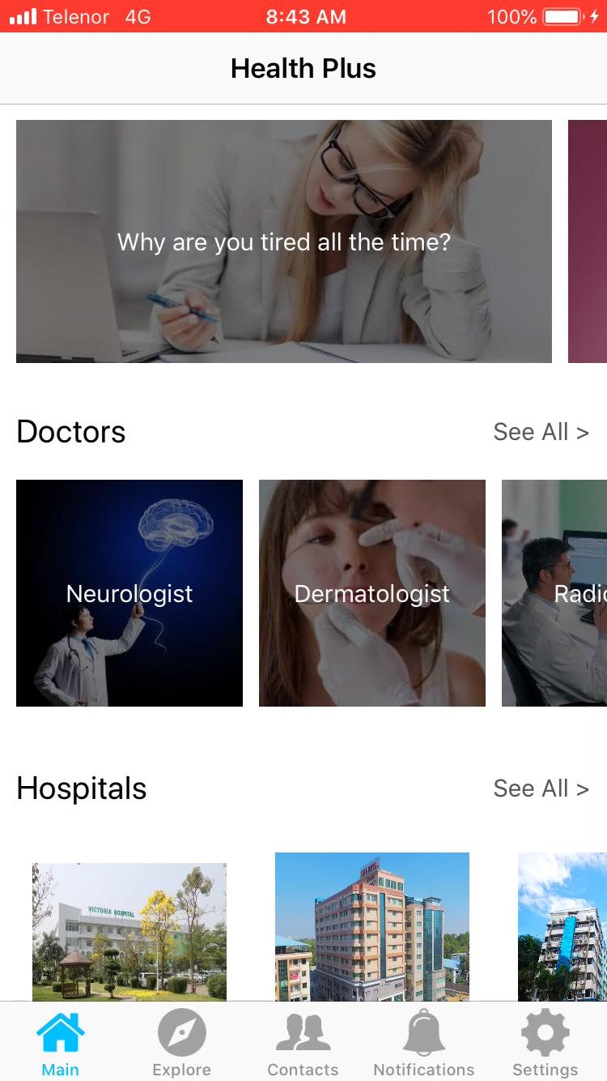

Test Case ID: | Home_1 |  |  | Test Design by: | Nanda Aung
Test Priority: | Normal |  |  | Test Design Date: | 2017-11-28
Module Name: | Home |  |  | Test Executed by:
Test Title: | Testing the home page |  |  | Test Execution Date:
Description:

Pre-Conditions: | open the app and sign-in.
Dependencies:

Step | Test Steps | Test Data | Expected results | Actual results | Status | Notes
1 | Click a health tip |  | leads you to health tip details
2 | Click see all above the health tip row |  | show all health tips
3 | Click a doctor |  | leads you to the doctor details
4 | Click see all above the doctor row |  | show all doctors
5 | Click a hospital |  | leads you to hospital details
6 | Click see all above the hospital row |  | show all hospitals

Contact
Project Name : | Health Plus
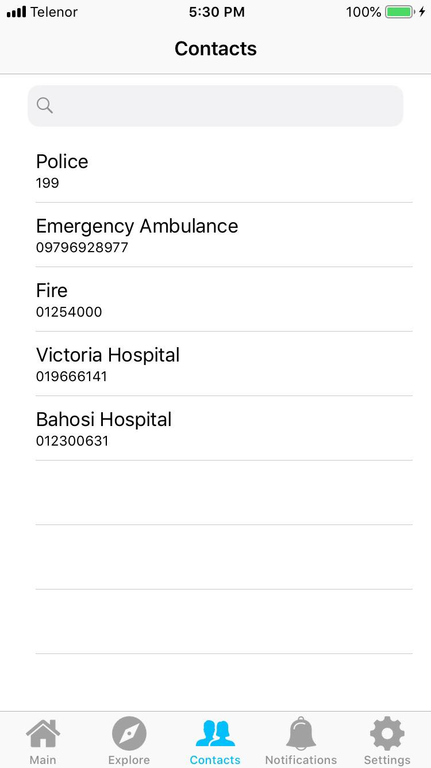

Test Case ID: | Contact_1 |  |  | Test Design by: | Nanda Aung
Test Priority: | Normal |  |  | Test Design Date: | 2017-11-28
Module Name: | Contact |  |  | Test Executed by:
Test Title: | Testing the Contact page |  |  | Test Execution Date:
Description:

Pre-Conditions: | open the app, log in and go to contact page
Dependencies:

Step | Test Steps | Test Data | Expected results | Actual results | Status | Notes
1 | Click Search | random data | show nothing
2 | Click Search |  | show the search data

Setting
Project Name : | Health Plus

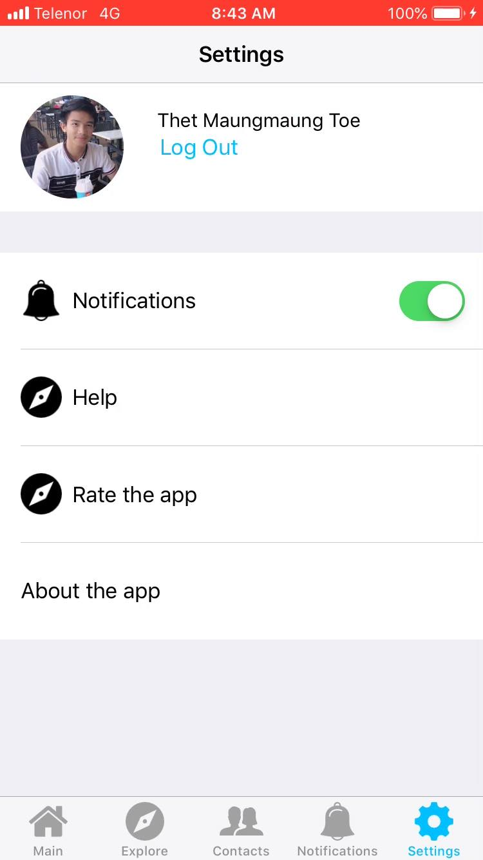

Test Case ID: | Setting_1 |  |  | Test Design by: | Nanda Aung
Test Priority: | Normal |  |  | Test Design Date: | 2017-11-28
Module Name: | Setting |  |  | Test Executed by:
Test Title: | Testing the setting page |  |  | Test Execution Date:
Description:

Pre-Conditions: | open the app and sign-in. click the setting icon on navigation
Dependencies:

Step | Test Steps | Test Data | Expected results | Actual results | Status | Notes
1 | Click about the app |  | leads you to a page or show promt about the app
2 | Click enable/ disable notification |  | enable the user to edit full name
3 | Click help |  | shows user any help for the software
4 | Click rate us |  | enable users to rate the app

Explore
Project Name : | Health Plus

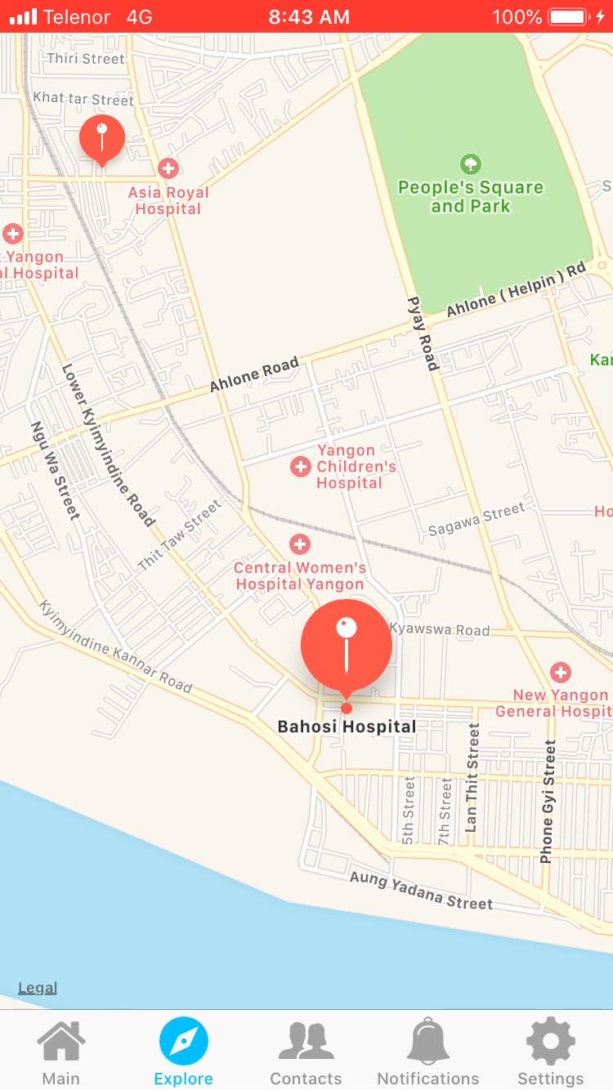

Test Case ID: | Explore_1 |  |  | Test Design by: | Nanda Aung
Test Priority: | Normal |  |  | Test Design Date: | 2017-11-28
Module Name: | Exlpore |  |  | Test Executed by:
Test Title: | Testing the explore page |  |  | Test Execution Date:
Description:

Pre-Conditions: | open the app and sign-in. click the setting icon on navigation page
Dependencies:

Step | Test Steps | Test Data | Expected results | Actual results | Status | Notes
1 | Click a hospitals on the map |  | show a little detail about hospital
2 | Click a hospitals on the map |  | show route to the hospital

